2019 EOP Rebates
ORDER BY OCTOBER 31 FOR THE BIGGEST SAVINGS. |  |  |  |  |  |  | VISIT FMCTrueChampions.com for full program details.
2019 Early Order Program

Tee & Green Champion Kit | SKU Number | Number of Units | Acres Covered | Early Order Agency Price |  | Kit Rebate | # Kits Purchased |  | Total Kit Rebate
Fame® SC Fungicide - 64 oz | 10079179 | 4 | 16 | $7,100 |  | $1,120 |  |  | $0
Triple Crown® Golf Insecticide (RUP) 1 gallon |  | 4 | 14.6
QuickSilver® Herbicide - 8 oz |  | 12 | 14.3

Fairway Champion Kit | SKU Number | Number of Units | Acres Covered | Early Order Agency Price |  | Kit Rebate | # Kits Purchased |  | Total Kit Rebate
Triple Crown® Golf Insecticide (RUP) 1 gallon | 10079184 | 8 | 29.3 | $13,300 |  | $2,100 |  |  | $0
Fame® SC Fungicide - 2.5 gallon |  | 2 | 40 to 53.3
Dismiss® NXT Herbicide - 10 oz |  | 8 | 16

Complete Champion Kit | SKU Number | Number of Units | Acres Covered | Early Order Agency Price |  | Kit Rebate | # Kits Purchased |  | Total Kit Rebate
Fame® SC Fungicide - 16 oz | 10079181 | 8 | 8 | $6,900 |  | $1,100 |  |  | $0
Triple Crown® Golf Insecticide (RUP) 1 gallon |  | 8 | 29.3
Echelon® Herbicide - 1 gallon |  | 8 | 28.4

Foundation Champion Kit | SKU Number | Number of Units | Acres Covered | Early Order Agency Price |  | Kit Rebate | # Kits Purchased |  | Total Kit Rebate
Solitare® Herbicide - 1lb | 10079185 | 6 | 6 | $4,350 |  | $690 |  |  | $0
Triple Crown® Golf Insecticide (RUP) 1 gallon |  | 4 | 14.6
Echelon® Herbicide - 1 gallon |  | 8 | 28.4

California Champion Kit | SKU Number | Number of Units | Acres Covered | Early Order Agency Price |  | Kit Rebate | # Kits Purchased |  | Total Kit Rebate
Fame® SC Fungicide - 64 oz | 10079180 | 4 | 16 | $6,400 |  | $1,000 |  |  | $0
Dismiss® CA Herbicide - 6 oz |  | 12 | 12
QuickSilver® Herbicide - 8 oz |  | 8 | 9.6

Cool Season Champion Kit | SKU Number | Number of Units | 1000ft2 Coverage | Early Order Agency Price |  | Kit Rebate | # Kits Purchased |  | Total Kit Rebate
Solitare® WSL Herbicide - .75 gallon | 10079182 | 20 | 480 | $3,200 |  | $500 |  |  | $0
QuickSilver® Herbicide - 8 oz |  | 4 | 1,070
Talstar® Professional Insecticide - 1 gallon |  | 32 | 4,096

Lawn Champion Kit | SKU Number | Number of Units | 1000ft2 Coverage | Early Order Agency Price |  | Kit Rebate | # Kits Purchased |  | Total Kit Rebate
Triple Crown® T&O Insecticide - 1gal | 10079183 | 4 | 640 | $5,950 |  | $925 |  |  | $0
Solitare® WSL Herbicide - .75 gallon |  | 8 | 192
Fame® SC Fungicide - 64 oz |  | 4 | 928 to 1392

Southeast Lawn Champion Kit | SKU Number | Number of Units | 1000ft2 Coverage | Early Order Agency Price |  | Kit Rebate | # Kits Purchased |  | Total Kit Rebate
Blindside® Herbicide - 0.5 lb | 10079178 | 12 | 640 | $4,350 |  | $675 |  |  | $0
Fame® SC Fungicide - 16 oz |  | 8 | 464 to 696
Triple Crown® T&O Insecticide - 1gal |  | 4 | 640

Qualifying Products | SKU Number | Unit Size | Agency Price per unit | Oct Rebate per Unit | Oct # of Units Purchased | October Total Rebate | Nov-Dec Rebate per Unit | Nov-Dec # of Units Purchased | Nov-Dec Total Rebate | EOP Total Rebate
Fame® SC Fungicide | 10064759 | 16 oz | $326 | $32 |  | $0 | $25 |  | $0 | $0
 | 10064757 | 64 oz | $1,195 | $107 |  | $0 | $75 |  | $0 | $0
 | 10078970 | 2.5 gallon | $5,550 | $550 |  | $0 | $425 |  | $0 | $0
Fame® + C Fungicide | 10063908 | 2.5 gallon | $422 | $37 |  | $0 | $28 |  | $0 | $0
Fame® + T Fungicide | 10076041 | 16 oz | $168 | $16 |  | $0 | $12 |  | $0 | $0
 | 10063762 | 1 gallon | $1,095 | $108 |  | $0 | $78 |  | $0 | $0
Regime™ Fungicide | 10078122 | 1 gallon | $358 | $50 |  | $0 | $35 |  | $0 | $0
 |  |  |  |  |  |  |  | Fungicide Total |  | $0

Blindside® Herbicide | 10059202 | 0.5 lb |  | $11 |  | $0 | $8 |  | $0 | $0
Dismiss® NXT Herbicide | 10077165 | 10 oz | $109 | $13 |  | $0 | $9 |  | $0 | $0
 | 10077163 | 60 oz | $649 | $140 |  | $0 | $100 |  | $0 | $0
Dismiss® South Herbicide | 10057894 | 16 oz |  | $27 |  | $0 | $20 |  | $0 | $0
Dismiss® Turf Herbicide | 10057897 | 6 oz |  | $13 |  | $0 | $10 |  | $0 | $0
 | 10058053 | 64 oz |  | $115 |  | $0 | $85 |  | $0 | $0
Dismiss® CA Turf Herbicide | 10061363 | 6 oz |  | $13 |  | $0 | $10 |  | $0 | $0
Echelon® 4SC Herbicide | 10056927 | 1 gallon | $331 | $30 |  | $0 | $23 |  | $0 | $0
QuickSilver® Herbicide | 10053931 | 8 oz |  | $18 |  | $0 | $12 |  | $0 | $0
Solitare® WSL Herbicide | 10062872 | 3/4 Gal |  | $6 |  | $0 | $4 |  | $0 | $0
Solitare® Herbicide | 10058335 | 1 lb |  | $14 |  | $0 | $9 |  | $0 | $0
Solitare® Herbicide | 10061706 | 4 lb | $452 | $50 |  | $0 | $35 |  | $0 | $0
Xonerate® 2SC Herbicide | 10077167 | 12 oz | $410 | $70 |  | $0 | $45 |  | $0 | $0
 |  |  |  |  |  |  |  | Herbicide Total |  | $0

Aria® Insecticide | 10061097 | 160 grams |  | $13 |  | $0 | $10 |  | $0 | $0
Talstar® Professional | 10056776 | 1 gallon |  | $3 |  | $0 | $2 |  | $0 | $0
Talstar® Select Insecticide (RUP) | 10056774 | 1 gallon |  | $3 |  | $0 | $2 |  | $0 | $0
Triple Crown ® Golf Insecticide (RUP) | 10061656 | 1 gallon | $255 | $30 |  | $0 | $20 |  | $0 | $0
Triple Crown® T&O Insecticide | 10061654 | 1 gallon | $255 | $30 |  | $0 | $20 |  | $0 | $0
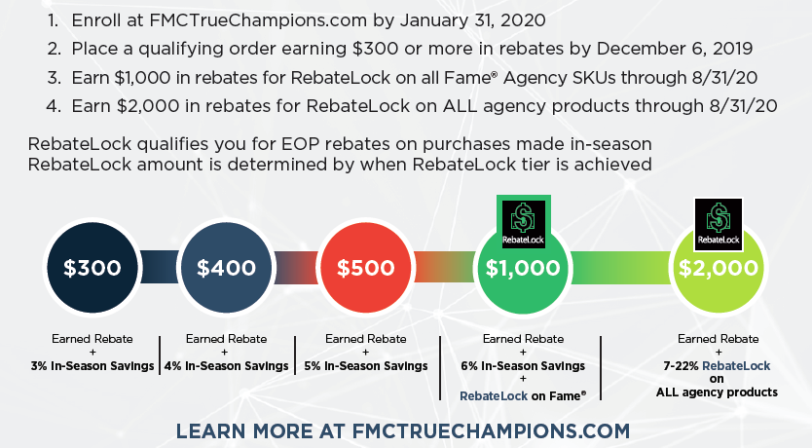
 |  |  |  |  |  |  |  | Insectide Total |  | $0

 |  |  |  |  |  |  |  | Total Rebate |  | $0 | $300 Rebate Minimum Not Met

 |  |  |  |  |  |  |  | RebateLock on Fame® |  | ADD $1,000 IN REBATES TO QUALIFY

 |  |  |  |  |  |  |  | RebateLock on All Agency |  | ADD $2,000 IN REBATES TO QUALIFY

